Figure 3.3
Both sexes
 | 1-year | 5-year
1993 | 72.7 | 55.2
1994 | 72.6 | 55.3
1995 | 72.7 | 55.7
1996 | 72.9 | 56.3
1997 | 73.1 | 56.8
1998 | 73.4 | 57.2
1999 | 73.7 | 57.5
2000 | 74.1 | 58.2
2001 | 74.3 | 58.5
2002 | 74.4 | 58.8
2003 | 74.7 | 59.1
2004 | 75.1 | 59.8
2005 | 75.6 | 60.5
2006 | 75.9 | 61
2007 | 76.1 | 61.2
2008 | 76.3 | 61.4
2009 | 76.6 | 61.7
2010 | 77.1 | 62.2
2011 | 77.4 | 62.3
2012 | 77.7
2013 | 77.9
2014 | 78.2
2015 | 78.7
2016 | 79.1 | 63.7
Figure 3.3 One- and five-year net cancer survival index estimates, by sex, ages 15–99, Canada (excluding Quebec), overlapping three-year time periods from 1992–1994 to 2015–2017

Three-year diagnosis period | Mid year of three-year diagnosis period | Net survival
 |  | Both sexes |  | Males |  | Females
 |  | 1-year | 5-year | 1-year | 5-year | 1-year | 5-year
1992-1994 | 1993 | 72.7 | 55.2 | 70.8 | 52.9 | 74.7 | 57.5
1993-1995 | 1994 | 72.6 | 55.3 | 70.6 | 53.0 | 74.7 | 57.8
1994-1996 | 1995 | 72.7 | 55.7 | 70.6 | 53.1 | 74.9 | 58.4
1995-1997 | 1996 | 72.9 | 56.3 | 70.8 | 53.6 | 75.1 | 59.1
1996-1998 | 1997 | 73.1 | 56.8 | 71.1 | 54.2 | 75.3 | 59.5
1997-1999 | 1998 | 73.4 | 57.2 | 71.3 | 54.7 | 75.5 | 59.8
1998-2000 | 1999 | 73.7 | 57.5 | 71.8 | 55.2 | 75.8 | 60.1
1999-2001 | 2000 | 74.1 | 58.2 | 72.2 | 55.9 | 76.1 | 60.5
2000-2002 | 2001 | 74.3 | 58.5 | 72.4 | 56.4 | 76.4 | 60.6
2001-2003 | 2002 | 74.4 | 58.8 | 72.6 | 56.9 | 76.5 | 60.8
2002-2004 | 2003 | 74.7 | 59.1 | 72.9 | 57.3 | 76.6 | 61.0
2003-2005 | 2004 | 75.1 | 59.8 | 73.3 | 57.9 | 77.0 | 61.9
2004-2006 | 2005 | 75.6 | 60.5 | 73.8 | 58.6 | 77.5 | 62.6
Males
 | 1-year | 5-year
1993 | 70.8 | 52.9
1994 | 70.6 | 53
1995 | 70.6 | 53.1
1996 | 70.8 | 53.6
1997 | 71.1 | 54.2
1998 | 71.3 | 54.7
1999 | 71.8 | 55.2
2000 | 72.2 | 55.9
2001 | 72.4 | 56.4
2002 | 72.6 | 56.9
2003 | 72.9 | 57.3
2004 | 73.3 | 57.9
2005 | 73.8 | 58.6
2006 | 74.2 | 59
2007 | 74.3 | 59.2
2008 | 74.5 | 59.5
2009 | 75.1 | 59.9
2010 | 75.5 | 60.4
2011 | 75.9 | 60.5
2012 | 76
2013 | 76.3
2014 | 76.6
2015 | 77.2
2016 | 77.6 | 61.8
2005-2007 | 2006 | 75.9 | 61.0 | 74.2 | 59.0 | 77.8 | 63.3
2006-2008 | 2007 | 76.1 | 61.2 | 74.3 | 59.2 | 78.0 | 63.3
2007-2009 | 2008 | 76.3 | 61.4 | 74.5 | 59.5 | 78.1 | 63.4
2008-2010 | 2009 | 76.6 | 61.7 | 75.1 | 59.9 | 78.3 | 63.6
2009-2011 | 2010 | 77.1 | 62.2 | 75.5 | 60.4 | 78.7 | 64.1
2010-2012 | 2011 | 77.4 | 62.3 | 75.9 | 60.5 | 79.1 | 64.3
2011-2013 | 2012 | 77.7 |  | 76.0 |  | 79.4
2012-2014 | 2013 | 77.9 |  | 76.3 |  | 79.6
2013-2015 | 2014 | 78.2 |  | 76.6 |  | 79.9
2014-2016 | 2015 | 78.7 |  | 77.2 |  | 80.2
2015-2017 | 2016 | 79.1 | 63.7 | 77.6 | 61.8 | 80.6 | 65.8
Notes: Quebec is excluded because cases diagnosed in Quebec from 2011 onward had not been submitted to the Canadian Cancer Registry at the time of analysis. Net cancer survival index (CSI) estimates for both sexes combined were calculated as a weighted average of sex- and cancer-specific age-standardized net survival estimates. Sex-specific net CSI estimates were calculated as a weighted average of cancer-specific age-standardized net survival estimates for each sex separately. CSI estimates for the 2015–2017 period were predicted using period analysis.
Source: Ellison LF. The cancer survival index: Measuring progress in cancer survival to help evaluate cancer control efforts in Canada. Health Rep. 2021;32 (9):14–26.

Females
 | 1-year | 5-year
1993 | 74.7 | 57.5
1994 | 74.7 | 57.8
1995 | 74.9 | 58.4
1996 | 75.1 | 59.1
1997 | 75.3 | 59.5
1998 | 75.5 | 59.8
1999 | 75.8 | 60.1
2000 | 76.1 | 60.5
2001 | 76.4 | 60.6
2002 | 76.5 | 60.8
2003 | 76.6 | 61
2004 | 77 | 61.9
2005 | 77.5 | 62.6
2006 | 77.8 | 63.3
2007 | 78 | 63.3
2008 | 78.1 | 63.4
2009 | 78.3 | 63.6
2010 | 78.7 | 64.1
2011 | 79.1 | 64.3
2012 | 79.4
2013 | 79.6
2014 | 79.9
2015 | 80.2
2016 | 80.6 | 65.8

Figure 3.4
Figure 3.4 Five-year cancer survival index estimates for selected provinces, both sexes, ages 15–99, overlapping five-year time periods from 1992–1996 to 2013–2017
 | Newfoundland & Labrador | Nova Scotia | New Brunswick | Ontario
1992-1996 | 56 | 54.9 | 55.2 | 55.4
1993-1997 | 56.6 | 55.1 | 55.9 | 55.9
1994-1998 | 57.2 | 55.7 | 56.5 | 56.3
1995-1999 | 56.8 | 56.5 | 57 | 56.7
1996-2000 | 56.9 | 56.9 | 57.5 | 57.3
1997-2001 | 57.5 | 57.6 | 58 | 57.8
1998-2002 | 57.7 | 57.7 | 58.2 | 58.1
1999-2003 | 57.7 | 57.9 | 58.1 | 58.6
2000-2004 | 58.5 | 58 | 58.6 | 59.1
2001-2005 | 59.3 | 58.4 | 59.6 | 59.7
2002-2006 | 59.6 | 58.7 | 60.3 | 60.3
2003-2007 | 59.9 | 59.7 | 61 | 60.9
2004-2008 | 60.2 | 60.1 | 61.5 | 61.3
2005-2009 | 60.5 | 60.2 | 62 | 61.8
2006-2010 | 60.3 | 60.7 | 62.1 | 62.1
2007-2011 | 60.6 | 60.9 | 61.8 | 62.4
2008-2012 | 60.5 | 60.7 | 62 | 62.6
2009-2013
2010-2014
2011-2015
2012-2016
2013-2017 | 61.8 | 60.8 | 62.1 | 64.1
 | Manitoba | Saskatchewan | Alberta | British Columbia
1992-1996 | 56.2 | 55.7 | 54.5 | 56.4
1993-1997 | 56.5 | 56.1 | 55.2 | 56.4
1994-1998 | 56.9 | 56.1 | 55.4 | 56.7
1995-1999 | 57.3 | 56.6 | 55.8 | 57.1
1996-2000 | 57.5 | 57.2 | 56.5 | 57.4
1997-2001 | 58.3 | 57.9 | 57 | 57.8
1998-2002 | 58.8 | 57.8 | 57.4 | 58.3
1999-2003 | 58.8 | 58.1 | 58 | 58.6
2000-2004 | 58.7 | 58.6 | 58.4 | 58.9
2001-2005 | 59.5 | 58.8 | 59 | 59.3
2002-2006 | 59.5 | 59 | 59.6 | 59.5
2003-2007 | 59.7 | 59.5 | 59.9 | 59.8
2004-2008 | 60.1 | 59.7 | 60.2 | 60.2
2005-2009 | 60.6 | 59.8 | 60.8 | 60.6
2006-2010 | 60.6 | 60.1 | 61.2 | 61
2007-2011 | 61.1 | 60.4 | 61.4 | 61.4
2008-2012 | 61.3 | 60.7 | 61.9 | 61.8
2009-2013
2010-2014
2011-2015
2012-2016
2013-2017 | 62.2 | 61.6 | 63.3 | 62.5
Net survival (%)
 | Net survival (%)
Five-year diagnosis period | Newfoundland & Labrador | Nova Scotia | New Brunswick | Ontario | Manitoba | Saskatchewan | Alberta | British Columbia
1992-1996 | 56 | 54.9 | 55.2 | 55.4 | 56.2 | 55.7 | 54.5 | 56.4
1993-1997 | 56.6 | 55.1 | 55.9 | 55.9 | 56.5 | 56.1 | 55.2 | 56.4
1994-1998 | 57.2 | 55.7 | 56.5 | 56.3 | 56.9 | 56.1 | 55.4 | 56.7
1995-1999 | 56.8 | 56.5 | 57 | 56.7 | 57.3 | 56.6 | 55.8 | 57.1
1996-2000 | 56.9 | 56.9 | 57.5 | 57.3 | 57.5 | 57.2 | 56.5 | 57.4
1997-2001 | 57.5 | 57.6 | 58 | 57.8 | 58.3 | 57.9 | 57 | 57.8
1998-2002 | 57.7 | 57.7 | 58.2 | 58.1 | 58.8 | 57.8 | 57.4 | 58.3
1999-2003 | 57.7 | 57.9 | 58.1 | 58.6 | 58.8 | 58.1 | 58 | 58.6
2000-2004 | 58.5 | 58 | 58.6 | 59.1 | 58.7 | 58.6 | 58.4 | 58.9
2001-2005 | 59.3 | 58.4 | 59.6 | 59.7 | 59.5 | 58.8 | 59 | 59.3
2002-2006 | 59.6 | 58.7 | 60.3 | 60.3 | 59.5 | 59 | 59.6 | 59.5
2003-2007 | 59.9 | 59.7 | 61 | 60.9 | 59.7 | 59.5 | 59.9 | 59.8
2004-2008 | 60.2 | 60.1 | 61.5 | 61.3 | 60.1 | 59.7 | 60.2 | 60.2
2005-2009 | 60.5 | 60.2 | 62 | 61.8 | 60.6 | 59.8 | 60.8 | 60.6
2006-2010 | 60.3 | 60.7 | 62.1 | 62.1 | 60.6 | 60.1 | 61.2 | 61
2007-2011 | 60.6 | 60.9 | 61.8 | 62.4 | 61.1 | 60.4 | 61.4 | 61.4
2008-2012 | 60.5 | 60.7 | 62 | 62.6 | 61.3 | 60.7 | 61.9 | 61.8
2009-2013
2010-2014
2011-2015
2012-2016
2013-2017 | 61.8 | 60.8 | 62.1 | 64.1 | 62.2 | 61.6 | 63.3 | 62.5
Notes: Net cancer survival index (CSI) estimates were calculated as a weighted average of sex- and cancer-specific age-standardized net survival estimates. CSI estimates for the overlapping five-year periods from the 2009–2013 period to the 2012–2016 period are not yet available. CSI estimates for the 2013–2017 period were predicted using period analysis.
Sources: Ellison LF. The cancer survival index: Measuring progress in cancer survival to help evaluate cancer control efforts in Canada. Health Rep. 2021;32 (9):14–26 Ellison LF. Measuring progress in cancer survival across Canadian provinces: Extending the cancer survival index to further evaluate cancer control efforts. Health Rep. 2022;33(6):17–29.

Figure 3.5
Figure 3.5 Five-year stage-specific net survival, selected cancers, ages 15–99, Canada (excluding Quebec), 2010–2017 period

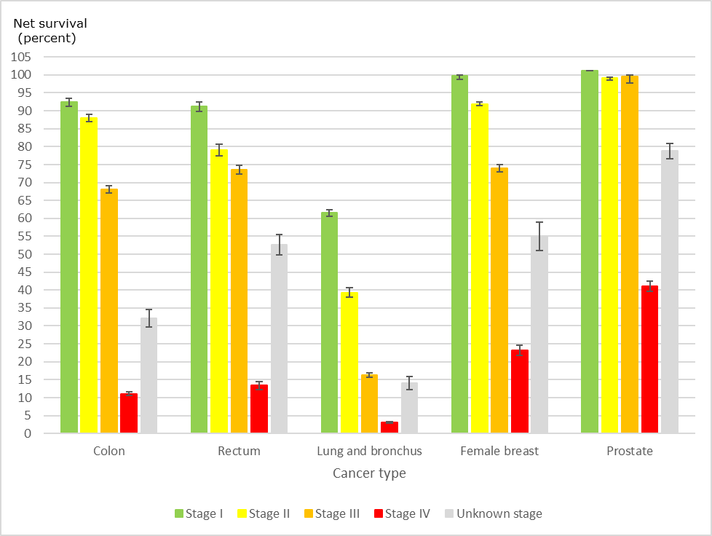
 | Stage I
Cancer | Net survival | 95% LL | 95% UL | low | high
Colon | 92.4 | 91.3 | 93.4 | 1.1 | 1.0
Rectum | 91.2 | 89.8 | 92.4 | 1.4 | 1.2
Lung and bronchus | 61.5 | 60.5 | 62.4 | 1.0 | 0.9
Female breast | 99.8 | 98.7 | 100.0 | 1.1 | 0.2
Prostate | 101.2 | .. | .. | 0.0 | 0.0

 | Stage II
Cancer | Net survival | 95% LL | 95% UL | low | high
Colon | 88.0 | 87.0 | 89.0 | 1.0 | 1.0
Rectum | 79.1 | 77.5 | 80.6 | 1.6 | 1.5
Lung and bronchus | 39.3 | 38.0 | 40.6 | 1.3 | 1.3
Female breast | 91.9 | 91.4 | 92.4 | 0.5 | 0.5
Prostate | 99.1 | 98.5 | 99.4 | 0.6 | 0.3

 | Stage III
Cancer | Net survival | 95% LL | 95% UL | low | high
Colon | 68.1 | 67.1 | 69.1 | 1.0 | 1.0
Rectum | 73.5 | 72.3 | 74.7 | 1.2 | 1.2
Lung and bronchus | 16.3 | 15.7 | 16.9 | 0.6 | 0.6
Female breast | 74.0 | 73.0 | 75.0 | 1.0 | 1.0
Prostate | 99.6 | 97.7 | 99.9 | 1.9 | 0.3

 | Stage IV
Cancer | Net survival | 95% LL | 95% UL | low | high
Colon | 11.1 | 10.5 | 11.7 | 0.6 | 0.6
Rectum | 13.4 | 12.3 | 14.4 | 1.1 | 1.0
Lung and bronchus | 3.1 | 2.9 | 3.3 | 0.2 | 0.2
Female breast | 23.2 | 21.8 | 24.6 | 1.4 | 1.4
Prostate | 41.1 | 39.7 | 42.4 | 1.4 | 1.3

 | Unknown stage
Cancer | Net survival | 95% LL | 95% UL | low | high
Colon | 32.1 | 29.7 | 34.6 | 2.4 | 2.5
Rectum | 52.6 | 49.8 | 55.4 | 2.8 | 2.8
Lung and bronchus | 14.0 | 12.2 | 15.8 | 1.8 | 1.8
Female breast | 55.1 | 51.0 | 59.0 | 4.1 | 3.9
Prostate | 78.8 | 76.6 | 80.8 | 2.2 | 2.0

Note: Quebec is excluded because cases diagnosed in Quebec from 2011 onward had not been submitted to the Canadian Cancer Registry at the time of analysis. Follow-up of cases is available to the end of 2017.
Source: Ellison LF, Saint-Jacques N. Five-year cancer survival by stage at diagnosis in Canada. Health Rep. 2023;34(1):3–15.

Figure A2-1
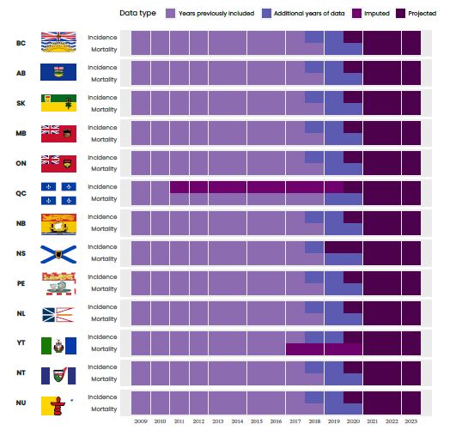
Figure A2-1 Data used at the time of analysis by geographic region

